Chart 49
SME turnover was improving into spring 2022

Chart title: Net share of SMEs reporting increased turnover by sector
Source: Department of Finance Credit Demand Survey.
Notes: The share of SMEs reporting a rise in turnover in the previous six months minus the share of SMEs reporting a decline in turnover in the previous six months by sector.

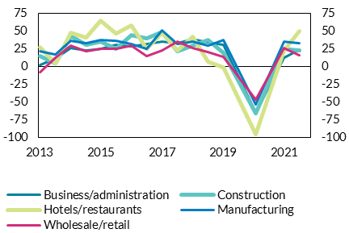
Date | Business/ administration | Construction | Hotels/ restaurants | Manufacturing | Wholesale/retail
2013-09-01 | 1.7 | 14.6 | 26.6 | 21.4 | -8.5 | per cent | per cent
2014-03-01 | 11.6 | 4.4 | 4.7 | 16.7 | 12.6
2014-09-01 | 26.1 | 42.6 | 47.1 | 36.1 | 29.2
2015-03-01 | 21.9 | 30.6 | 41.1 | 32.5 | 20.8
2015-09-01 | 24.6 | 35.1 | 64.0 | 37.5 | 25.1
2016-03-01 | 30.7 | 24.3 | 46.2 | 36.7 | 24.5
2016-09-01 | 28.3 | 43.8 | 58.2 | 31.1 | 28.7
2017-03-01 | 32.1 | 39.3 | 25.3 | 24.7 | 14.7
2017-09-01 | 35.0 | 48.4 | 47.0 | 51.0 | 22.2
2018-03-01 | 32.3 | 21.2 | 22.7 | 31.4 | 34.7
2018-09-01 | 38.0 | 28.9 | 41.8 | 34.8 | 25.5
2019-03-01 | 34.0 | 36.9 | 7.0 | 29.3 | 20.5
2019-09-01 | 30.1 | 19.5 | -0.8 | 37.6 | 13.4
2020-10-01 | -65.5 | -65.6 | -95.3 | -53.4 | -46.7
2021-09-01 | 11.8 | 24.8 | 22.9 | 34.8 | 25.5
2022-03-01 | 23.5 | 22.9 | 49.3 | 32.8 | 16.1

Chart 50
Energy accounted for a tenth of SME operating costs in March 2022

Chart title: The average share of operating costs made up by energy costs by sector
Source: Department of Finance Credit Demand Survey.
Notes: The average share of SME operating costs made up by energy costs by sector in March 2022.

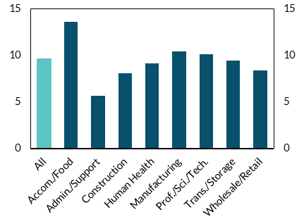
Sector | Share | per cent | per cent
All | 9.6
Accom./Food | 13.6
Admin./Support | 5.7
Construction | 8.1
Human Health | 9.2
Manufacturing | 10.4
Prof./Sci./Tech. | 10.1
Trans./Storage | 9.4
Wholesale/Retail | 8.4

Chart 51
Profit margins are likely narrowing due to cost inflation

Chart title: Average simulated gross profit margin
Source: Central Bank of Ireland; CSO; Department of Finance Credit Demand Survey.
Notes: Simulated profit margins with energy costs up 85 per cent in December 2022 relative to March 2022 levels, 3 per cent per annum rise in labour costs, 5 per cent per annum rise in Purchase costs, turnover growth of 5 per cent per annum, and sector-specific demand elasticities (with a mean of -0.6). The shaded area shows the range of average profit margins across sectors.

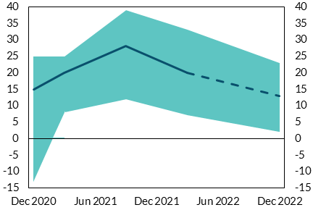
Date | Mean | Min | Max | per cent | per cent
2020-12-01 | 15 | -13 | 25
2021-03-01 | 20 | 8 | 25
2021-09-01 | 28 | 12 | 39
2022-03-01 | 20 | 7 | 33
2022-12-31 | 13 | 2 | 23

Chart 52
The share of firms making material losses has likely also risen

Chart title: Share of firms with profit margins below -5 per cent
Source: Central Bank of Ireland; CSO; Department of Finance Credit Demand Survey.
Notes: The share of firms with profit margins below -5 per cent based on simulated profit margins with energy costs up 85 per cent in December 2022 relative to March 2022 levels, 3 per cent per annum rise in labour costs, 5 per cent per annum rise in Purchase costs, turnover growth of 5 per cent per annum, and sector-specific demand elasticities (with a mean of -0.6). Threshold of (-5) chosen given potential for noisy indicators when losses are defined at close to profit margins of zero.

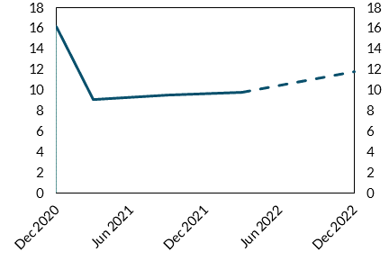
Date | Share | per cent | per cent
2020-12-01 | 16.2
2021-03-01 | 9.1
2021-09-01 | 9.6
2022-03-01 | 9.8
2022-12-31 | 12.0

Chart 53
Sectors most affected by the energy shock have varied levels of cash holdings

Chart title: The simulated gross profit margin change in per cent against the median cash to operating expenses ratio by sector
Source: Department of Finance Credit Demand Survey.
Notes: The simulated gross profit margin change in per cent against the median cash to operating expenses ratio by sector. The size of each point is weighted by the sectoral share of aggregate employment.

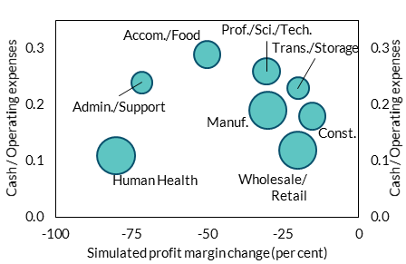
Sector | Employment share | Cash/ Operating expenses | Simulated profit margin change (in per cent) | ratio | ratio
Human Health | 14.1 | 0.10 | -80
Wholesale/Retail | 13.9 | 0.10 | -20
Const. | 7.2 | 0.20 | -15
Manuf. | 13.8 | 0.20 | -30
Trans./Storage | 4.7 | 0.20 | -20
Admin./Support | 4.5 | 0.20 | -71
Prof./Sci./Tech. | 7.1 | 0.30 | -30
Accom./Food | 7.1 | 0.30 | -50

Chart 54
Sectors most affected by the energy shock were also persistent claimants of pandemic wage subsidies

Chart title: The simulated gross profit margin change in per cent against the share of persistent wage subsidy claimants by sector
Source: CRO; CSO; Department of Finance Credit Demand Survey; Revenue Commissioners.
Notes: The simulated gross profit margin change in per cent against the share of active companies that were persistent wage subsidy claimants by sector. The size of each point is weighted by the sectoral share of aggregate employment. See Lambert et al. (2022).

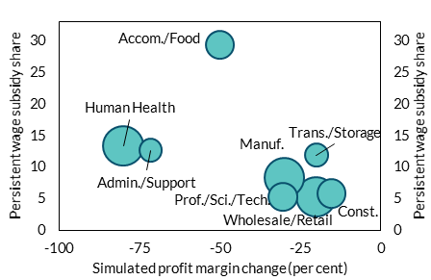
Sector | Employment share | Persistent wage subsidy share | Simulated profit margin change (in per cent) | per cent | per cent
Human Health | 14.1 | 13.40 | -80
Wholesale/Retail | 13.9 | 5.40 | -20
Const. | 7.2 | 5.90 | -15
Manuf. | 13.8 | 8.40 | -30
Trans./Storage | 4.7 | 11.90 | -20
Admin./Support | 4.5 | 12.70 | -71
Prof./Sci./Tech. | 7.1 | 5.30 | -30
Accom./Food | 7.1 | 29.40 | -50

Chart 57
Forbearance and NPL ratios of Irish business borrowers have been stable in 2022

Chart title: Forbearance and NPL ratios of Irish-resident non-financial corporation loan balances of Irish retail banks
Source: Central Bank of Ireland.
Notes: Forbearance and non-performing loan (NPL) ratios of Irish-resident non-financial corporation loan balances of Irish retail banks. ‘RE’ refers to borrowers in the real estate sector.

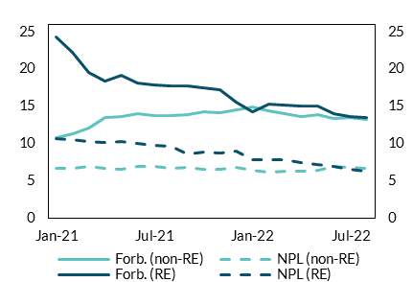
date | Forb. (non-RE) | NPL (non-RE) | Forb. (RE) | NPL (RE) | per cent | per cent
2020-12-31 | 10.2 | 6.3 | 30.6 | 10.7
2021-01-31 | 10.7 | 6.6 | 24.3 | 10.6
2021-02-28 | 11.3 | 6.6 | 22.2 | 10.5
2021-03-31 | 12.1 | 6.9 | 19.5 | 10.3
2021-04-30 | 13.5 | 6.6 | 18.4 | 10.1
2021-05-31 | 13.6 | 6.5 | 19.2 | 10.3
2021-06-30 | 14.0 | 7.0 | 18.1 | 10.0
2021-07-31 | 13.8 | 6.9 | 17.9 | 9.7
2021-08-31 | 13.7 | 6.7 | 17.7 | 9.7
2021-09-30 | 13.8 | 6.8 | 17.7 | 8.6
2021-10-31 | 14.2 | 6.6 | 17.5 | 8.8
2021-11-30 | 14.1 | 6.5 | 17.3 | 8.8
2021-12-31 | 14.5 | 6.8 | 15.5 | 8.9
2022-01-31 | 14.9 | 6.4 | 14.2 | 7.8
2022-02-28 | 14.4 | 6.1 | 15.3 | 7.8
2022-03-31 | 14.0 | 6.3 | 15.2 | 7.8
2022-04-30 | 13.6 | 6.2 | 15.1 | 7.5
2022-05-31 | 13.9 | 6.4 | 15.1 | 7.2
2022-06-30 | 13.4 | 6.8 | 14.0 | 6.9
2022-07-31 | 13.5 | 6.8 | 13.7 | 6.5
2022-08-31 | 13.3 | 6.7 | 13.5 | 6.3

Chart 58
Corporate insolvencies have risen steadily over recent months, returning to pre-pandemic levels

Chart title: Annualised corporate liquidation rate
Source: CRIF Vision-Net; CRO.
Notes: The annualised rate of creditors’ voluntary and court-ordered liquidations up to October 2022.

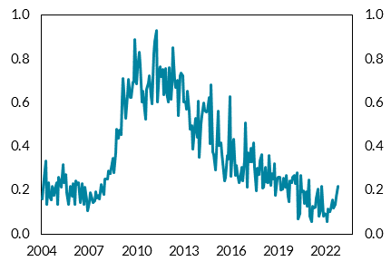
date | Insolvent liquidation rate | per cent | per cent
2001-01-31 | 0.23
2001-02-28 | 0.28
2001-03-31 | 0.41
2001-04-30 | 0.37
2001-05-31 | 0.19
2001-06-30 | 0.36
2001-07-31 | 0.34
2001-08-31 | 0.27
2001-09-30 | 0.25
2001-10-31 | 0.34
2001-11-30 | 0.28
2001-12-31 | 0.25
2002-01-31 | 0.24
2002-02-28 | 0.28
2002-03-31 | 0.30
2002-04-30 | 0.30
2002-05-31 | 0.34
2002-06-30 | 0.23
2002-07-31 | 0.16
2002-08-31 | 0.28
2002-09-30 | 0.23
2002-10-31 | 0.21
2002-11-30 | 0.27
2002-12-31 | 0.31
2003-01-31 | 0.13
2003-02-28 | 0.23
2003-03-31 | 0.25
2003-04-30 | 0.28
2003-05-31 | 0.28
2003-06-30 | 0.21
2003-07-31 | 0.21
2003-08-31 | 0.23
2003-09-30 | 0.26
2003-10-31 | 0.25
2003-11-30 | 0.16
2003-12-31 | 0.31
2004-01-31 | 0.16
2004-02-29 | 0.21
2004-03-31 | 0.25
2004-04-30 | 0.33
2004-05-31 | 0.13
2004-06-30 | 0.24
2004-07-31 | 0.17
2004-08-31 | 0.16
2004-09-30 | 0.22
2004-10-31 | 0.18
2004-11-30 | 0.21
2004-12-31 | 0.24
2005-01-31 | 0.14
2005-02-28 | 0.26
2005-03-31 | 0.24
2005-04-30 | 0.21
2005-05-31 | 0.32
2005-06-30 | 0.23
2005-07-31 | 0.27
2005-08-31 | 0.19
2005-09-30 | 0.14
2005-10-31 | 0.18
2005-11-30 | 0.22
2005-12-31 | 0.17
2006-01-31 | 0.23
2006-02-28 | 0.13
2006-03-31 | 0.24
2006-04-30 | 0.23
2006-05-31 | 0.23
2006-06-30 | 0.14
2006-07-31 | 0.18
2006-08-31 | 0.23
2006-09-30 | 0.14
2006-10-31 | 0.21
2006-11-30 | 0.16
2006-12-31 | 0.11
2007-01-31 | 0.15
2007-02-28 | 0.19
2007-03-31 | 0.16
2007-04-30 | 0.14
2007-05-31 | 0.15
2007-06-30 | 0.19
2007-07-31 | 0.16
2007-08-31 | 0.18
2007-09-30 | 0.16
2007-10-31 | 0.23
2007-11-30 | 0.21
2007-12-31 | 0.18
2008-01-31 | 0.25
2008-02-29 | 0.25
2008-03-31 | 0.25
2008-04-30 | 0.29
2008-05-31 | 0.28
2008-06-30 | 0.30
2008-07-31 | 0.35
2008-08-31 | 0.28
2008-09-30 | 0.37
2008-10-31 | 0.48
2008-11-30 | 0.44
2008-12-31 | 0.48
2009-01-31 | 0.46
2009-02-28 | 0.61
2009-03-31 | 0.71
2009-04-30 | 0.59
2009-05-31 | 0.53
2009-06-30 | 0.64
2009-07-31 | 0.71
2009-08-31 | 0.62
2009-09-30 | 0.62
2009-10-31 | 0.69
2009-11-30 | 0.69
2009-12-31 | 0.89
2010-01-31 | 0.69
2010-02-28 | 0.76
2010-03-31 | 0.83
2010-04-30 | 0.77
2010-05-31 | 0.60
2010-06-30 | 0.65
2010-07-31 | 0.56
2010-08-31 | 0.52
2010-09-30 | 0.66
2010-10-31 | 0.69
2010-11-30 | 0.72
2010-12-31 | 0.63
2011-01-31 | 0.59
2011-02-28 | 0.82
2011-03-31 | 0.88
2011-04-30 | 0.93
2011-05-31 | 0.60
2011-06-30 | 0.74
2011-07-31 | 0.76
2011-08-31 | 0.72
2011-09-30 | 0.75
2011-10-31 | 0.63
2011-11-30 | 0.76
2011-12-31 | 0.65
2012-01-31 | 0.60
2012-02-29 | 0.76
2012-03-31 | 0.62
2012-04-30 | 0.68
2012-05-31 | 0.85
2012-06-30 | 0.70
2012-07-31 | 0.67
2012-08-31 | 0.70
2012-09-30 | 0.54
2012-10-31 | 0.72
2012-11-30 | 0.73
2012-12-31 | 0.72
2013-01-31 | 0.60
2013-02-28 | 0.60
2013-03-31 | 0.57
2013-04-30 | 0.65
2013-05-31 | 0.56
2013-06-30 | 0.48
2013-07-31 | 0.50
2013-08-31 | 0.39
2013-09-30 | 0.49
2013-10-31 | 0.53
2013-11-30 | 0.44
2013-12-31 | 0.61
2014-01-31 | 0.35
2014-02-28 | 0.50
2014-03-31 | 0.54
2014-04-30 | 0.60
2014-05-31 | 0.56
2014-06-30 | 0.56
2014-07-31 | 0.56
2014-08-31 | 0.62
2014-09-30 | 0.41
2014-10-31 | 0.68
2014-11-30 | 0.38
2014-12-31 | 0.36
2015-01-31 | 0.29
2015-02-28 | 0.37
2015-03-31 | 0.56
2015-04-30 | 0.41
2015-05-31 | 0.42
2015-06-30 | 0.37
2015-07-31 | 0.29
2015-08-31 | 0.24
2015-09-30 | 0.26
2015-10-31 | 0.36
2015-11-30 | 0.34
2015-12-31 | 0.63
2016-01-31 | 0.26
2016-02-29 | 0.41
2016-03-31 | 0.43
2016-04-30 | 0.27
2016-05-31 | 0.31
2016-06-30 | 0.28
2016-07-31 | 0.23
2016-08-31 | 0.25
2016-09-30 | 0.30
2016-10-31 | 0.24
2016-11-30 | 0.34
2016-12-31 | 0.51
2017-01-31 | 0.21
2017-02-28 | 0.37
2017-03-31 | 0.33
2017-04-30 | 0.39
2017-05-31 | 0.33
2017-06-30 | 0.42
2017-07-31 | 0.30
2017-08-31 | 0.20
2017-09-30 | 0.30
2017-10-31 | 0.27
2017-11-30 | 0.33
2017-12-31 | 0.36
2018-01-31 | 0.21
2018-02-28 | 0.21
2018-03-31 | 0.31
2018-04-30 | 0.24
2018-05-31 | 0.23
2018-06-30 | 0.36
2018-07-31 | 0.22
2018-08-31 | 0.27
2018-09-30 | 0.25
2018-10-31 | 0.32
2018-11-30 | 0.18
2018-12-31 | 0.25
2019-01-31 | 0.26
2019-02-28 | 0.26
2019-03-31 | 0.20
2019-04-30 | 0.20
2019-05-31 | 0.26
2019-06-30 | 0.21
2019-07-31 | 0.27
2019-08-31 | 0.17
2019-09-30 | 0.15
2019-10-31 | 0.24
2019-11-30 | 0.23
2019-12-31 | 0.26
2020-01-31 | 0.27
2020-02-29 | 0.23
2020-03-31 | 0.28
2020-04-30 | 0.07
2020-05-31 | 0.09
2020-06-30 | 0.27
2020-07-31 | 0.19
2020-08-31 | 0.20
2020-09-30 | 0.14
2020-10-31 | 0.19
2020-11-30 | 0.13
2020-12-31 | 0.25
2021-01-31 | 0.08
2021-02-28 | 0.06
2021-03-31 | 0.13
2021-04-30 | 0.12
2021-05-31 | 0.12
2021-06-30 | 0.16
2021-07-31 | 0.20
2021-08-31 | 0.08
2021-09-30 | 0.11
2021-10-31 | 0.22
2021-11-30 | 0.08
2021-12-31 | 0.09
2022-01-31 | 0.09
2022-02-28 | 0.06
2022-03-31 | 0.11
2022-04-30 | 0.10
2022-05-31 | 0.11
2022-06-30 | 0.16
2022-07-31 | 0.12
2022-08-31 | 0.14
2022-09-30 | 0.17
2022-10-31 | 0.22

Chart 64
Higher income borrowers have far greater cash buffers to cover mortgage payments

Chart title: Cash savings to mortgage payment ratio
Source: HFCS 2020 sourced from Arrigoni, Boyd and Mclndeo-Calder (2022).
Notes: Cash savings to mortgage payment ratio is defined as the number of months of mortgage payment covered by savings. Mortgage payments is self-reported by owners of outstanding HMR mortgages. Income is defined as gross household non-equivalised income.

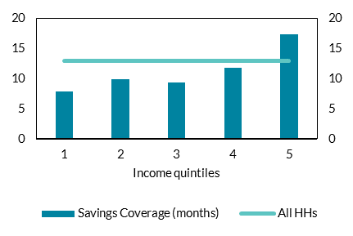
 | Savings Coverage (months) | All HHs | month | month
1 | 7.9 | 13.0
2 | 9.9 | 13.0
3 | 9.4 | 13.0
4 | 11.8 | 13.0
5 | 17.3 | 13.0

Chart 67
CET1 capital ratios have declined slightly in recent quarters, but remain well above minimum requirements

Chart title: CET1 Ratios
Source: Central Bank of Ireland.
Notes: The chart shows reports system-wide CET1 ratios for AIB, BOI and PTSB in addition to the overall capital requirements to be made up of CET1 capital as June-22 (OCR – Jun 22). “FL” denotes the CET1 capital ratio on a fully-loaded basis, while “TL” denotes the CET1 capital ratio on a transitional basis. Last observation at Jun-22. OCR refers to all capital requirements at the system level at June 2022, excluding Pillar II Guidance.

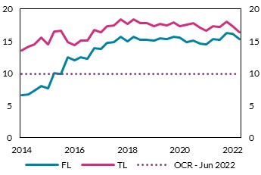
 | Date | FL | TL | per cent | per cent
 | 2014-03-31 | 6.64 | 13.59
 | 2014-06-30 | 6.7 | 14.15
 | 2014-09-30 | 7.36 | 14.51
 | 2014-12-31 | 8.07 | 15.5
 | 2015-03-31 | 7.71 | 14.5
 | 2015-06-30 | 10.02 | 16.53
 | 2015-09-30 | 9.86 | 16.6
 | 2015-12-31 | 12.51 | 14.88
 | 2016-03-31 | 12.07 | 14.34
 | 2016-06-30 | 12.46 | 15.05
 | 2016-09-30 | 12.26 | 15.02
 | 2016-12-31 | 13.96 | 16.76
 | 2017-03-31 | 13.77 | 16.33
 | 2017-06-30 | 14.7 | 17.28
 | 2017-09-30 | 14.81 | 17.45
 | 2017-12-31 | 15.7 | 18.36
 | 2018-03-31 | 14.98 | 17.69
 | 2018-06-30 | 15.64 | 18.38
 | 2018-09-30 | 15.14 | 17.83
 | 2018-12-31 | 15.15 | 17.8
 | 2019-03-31 | 15.03 | 17.26
 | 2019-06-30 | 15.46 | 17.64
 | 2019-09-30 | 15.27 | 17.44
 | 2019-12-31 | 15.72 | 17.92
 | 2020-03-31 | 15.54 | 17.32
 | 2020-06-30 | 14.9 | 17.5
 | 2020-09-30 | 15.09 | 17.77
 | 2020-12-31 | 14.56 | 17.11
 | 2021-03-31 | 14.53 | 16.58
 | 2021-06-30 | 15.29 | 17.32
 | 2021-09-30 | 15.17 | 17.2
 | 2021-12-31 | 16.2 | 18.08
 | 2022-03-31 | 16.09 | 17.3
 | 2022-06-30 | 15.33 | 16.32

Chart 68
The phasing out of transitional arrangements and portfolio acquisitions have contributed to the recent decline in capital

Chart title: Decomposition of CET1 change June 2021 – June 2022
Source: Central Bank of Ireland.
Notes: “Ret. Earnings” denotes the contribution from retained earnings, “TAs” denotes the contribution from changes in the transitional arrangements, “Other CET1” denotes the contribution from all other components of CET1 capital and “RWAs” denotes the contribution from risk weighted assets.

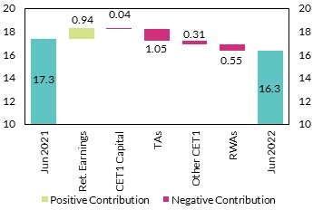
 |  |  | per cent | per cent
 | Jun-2021 | 16.32
 | Retained Earnings | 0.04
 | CET1 Capital | -0.04
 | Tas | -1.05
 | Other CET1 | 0.6
 | RWA | -0.55
 | Jun-2022 | 17.32

Chart 69
The non-performing loan ratio continues to decline

Chart title: Non-performing loan ratios
Source: Central Bank of Ireland and EBA Risk Dashboard.
Notes: “NPL” denotes the weighted average NPL ratio for AIB, BOI and PTSB, “NPL*” removes central bank reserves from the denominator. “EU [25th, 75th]” denotes the interquartile range for the NPL ratio among a sample of representative European banks.

EBA Risk Dashboard Data cannot be provided as the Central Bank of Ireland does not have permission to share this information.

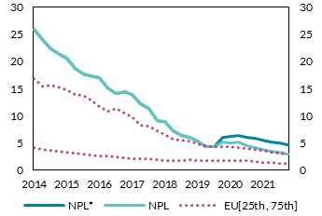
 |  |  |  | per cent | per cent
 | Date | NPL | NPL*
 | 2014-09-30 | 25.84 | 25.84
 | 2014-12-30 | 23.94 | 23.94
 | 2015-03-30 | 22.24 | 22.24
 | 2015-06-30 | 21.46 | 21.46
 | 2015-09-30 | 20.55 | 20.55
 | 2015-12-30 | 18.72 | 18.72
 | 2016-03-30 | 17.73 | 17.73
 | 2016-06-30 | 17.24 | 17.24
 | 2016-09-30 | 16.93 | 16.93
 | 2016-12-30 | 15.08 | 15.08
 | 2017-03-30 | 14.1 | 14.1
 | 2017-06-30 | 14.43 | 14.43
 | 2017-09-30 | 13.86 | 13.86
 | 2017-12-30 | 12.13 | 12.13
 | 2018-03-30 | 11.36 | 11.36
 | 2018-06-30 | 9.14 | 9.14
 | 2018-09-30 | 8.9 | 8.9
 | 2018-12-30 | 7.28 | 7.28
 | 2019-03-30 | 6.3 | 6.3
 | 2019-06-30 | 5.98 | 5.98
 | 2019-09-30 | 5.27 | 5.27
 | 2019-12-30 | 4.28 | 4.28
 | 2020-03-30 | 4.34 | 4.34
 | 2020-06-30 | 5.12 | 5.93
 | 2020-09-30 | 5.04 | 6.15
 | 2020-12-30 | 5.1 | 6.36
 | 2021-03-30 | 4.53 | 6
 | 2021-06-30 | 4.07 | 5.79
 | 2021-09-30 | 3.72 | 5.46
 | 2021-12-30 | 3.48 | 5.19
 | 2022-03-30 | 3.24 | 4.92
 | 2022-06-30 | 2.98 | 4.65

Chart 70
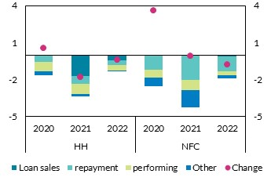
Varying factors are driving the decline in the non-performing loans across portfolios

Chart title: NPL outflow decomposition
Source: Central Bank of Ireland.
Notes: The pink dots (“Change”) denote that absolute year-on-year change in the NPL ratio. The stacked bars show the contribution of outflows for a given year. For example, in 2021, the NPL outflows in the NFC portfolio would have decreased the NFC NPL ratio by 4 percentage points, but this was offset by a similar increase in inflows (not reported) resulting in a small increase in the NFC NPL ratio in 2021 (pink dot). “Loan sales” reflect the contribution of loan sales, “repayment” reflects the contribution of repayments (amortisation), “performing” denotes the contribution of exposures no longer meeting the criteria for non-performing classification and “Other” denotes the contribution of all other factors driving outflows. Last observation as at June-22.

 |  |  | Loan sales | repayment | performing | Other | Change
 | HH | 2020 | 0 | -0.56 | -0.76 | -0.35 | 0.52
 |  | 2021 | -1.71 | -0.62 | -0.85 | -0.21 | -1.79
 |  | 2022 | -0.45 | -0.35 | -0.45 | -0.09 | -0.39
 | NFC | 2020 | 0 | -1.22 | -0.62 | -0.71 | 3.6
 |  | 2021 | -0.03 | -1.97 | -0.88 | -1.36 | -0.1
 |  | 2022 | -0.1 | -1.26 | -0.28 | -0.3 | -0.78

 |  |  |  | per cent |  | per cent

Chart 71
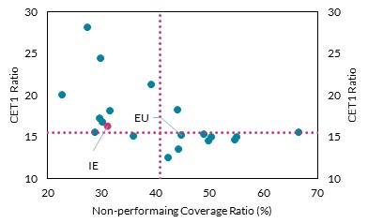
Irish banks are reporting lower than average provisioning coverage on non-performing loans

Chart title: Non-performing PCRs V CET1 ratio
Source: Central Bank of Ireland and EBA Risks Dashboard.
Notes: “IE” is constructed as a weighted average of AIB, BOI and PTSB. Pink dashed lines reflect median values. Observations as at Jun-22.

Data cannot be provided as the Central Bank of Ireland does not have permission to share this information.

 | per cent | per cent

Chart 72
The IFRS 9 Stage 2 ratio on Irish exposures has continued to decline toward the European average

Chart title: IFRS 9 Stage 2 ratio
Source: Central Bank of Ireland and EBA Risk Dashboard.
Notes: The chart plots the IFRS 9 Stage 2 ratio, defined as the share of loans classified as IFRS 9 Stage 2 to all loans and advances subject to impairment.

EBA Risk Dashboard Data cannot be provided as the Central Bank of Ireland does not have permission to share this information.

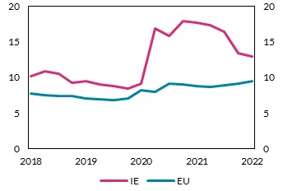
 |  |  | per cent | per cent
 | Date | IE
 | 2018-06-01 | 10.2
 | 2018-09-01 | 10.84
 | 2018-12-01 | 10.57
 | 2019-03-01 | 9.27
 | 2019-06-01 | 9.47
 | 2019-09-01 | 8.99
 | 2019-12-01 | 8.83
 | 2020-03-01 | 8.48
 | 2020-06-01 | 9.09
 | 2020-09-01 | 16.87
 | 2020-12-01 | 15.86
 | 2021-03-01 | 17.95
 | 2021-06-01 | 17.67
 | 2021-09-01 | 17.31
 | 2021-12-01 | 16.35
 | 2022-03-01 | 13.36
 | 2022-06-01 | 12.97

Chart 73
Irish banks are exposed to a slowdown in the UK economy

Chart title: Share of UK exposures to total loans and advances
Source: Central Bank of Ireland.
Notes: The charts shows the share of UK exposures originated to counterparties located in the UK as a proportion of total loans and advances. “NFCs” denotes exposures to non-financial corporations, “CC” denotes household credit for consumption exposures and “CRE” denotes exposures to NFCs, of which are collateralised by commercial immovable property. Exposures are presented on a weighted average basis for AIB, BOI and PTSB.

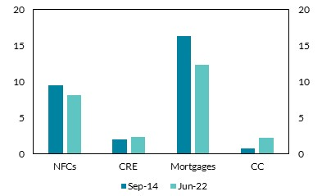
 |  |  |  | per cent | per cent
 |  | Sep-14 | Jun-22
 | NFCs | 9.5 | 8.1
 | CRE | 2 | 2.3
 | Mortgages | 16.3 | 12.3
 | CC | 0.8 | 2.2

Chart 74
Large shares of lower yielding assets continue to exert pressure on NIMs

Chart title: Net interest margin by counterparty
Source: Central Bank of Ireland.
Notes: The bars reflects the share of lending to respective counterparties as a percentage of total interest earning assets (left axis). The purple dots reflect the respective net interest margins across counterparty (right axis). “HHs” denotes lending to households, “NFCs” denotes lending to non-financial corporations and “Other” denotes lending to all other counterparties. Central bank reserves are included in the latter category. Figures are presented on a weighted average basis for AIB, BOI and PTSB.

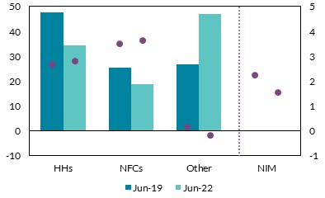
 |  |  | Jun-19 | Jun-22 | per cent | per cent
 | Shares | HHs | 47.80 | 34.30
 |  | NFCs | 25.50 | 18.70
 |  | Other | 26.70 | 47.00
 | NIM | HHs | 2.66 | 2.80
 |  | NFCs | 3.51 | 3.64
 |  | Other | 0.17 | -0.21
 |  | Total | 2.21 | 1.54

Chart 75
Excess liquidity has led to a decline in the Irish loan-to-deposit ratio, which now ranks among the lowest in Europe

Chart title: Loan-to-deposit ratio
Source: Central Bank of Ireland.
Notes: The chart shows the weighted average loan-to-deposit ratio for AIB, BOI and PTSB. The pink dotted lines reflect the interquartile range of the loan-to-deposit ratio among a sample of representative European banks.

BankFocus Data cannot be provided as the Central Bank of Ireland does not have permission to share this information.

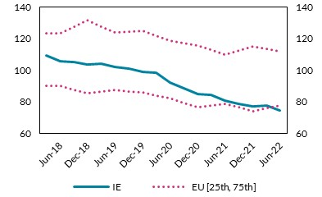
 |  | IE | per cent | per cent
 |  | 109.23
 | Jun-18 | 105.81
 |  | 105.14
 | Dec-18 | 103.41
 |  | 103.75
 | Jun-19 | 102
 |  | 100.9
 | Dec-19 | 98.88
 |  | 98.38
 | Jun-20 | 91.88
 |  | 88.65
 | Dec-20 | 84.98
 |  | 84.17
 | Jun-21 | 80.49
 |  | 78.75
 | Dec-21 | 77.11
 |  | 77.39
 | Jun-22 | 74.57

Chart 76
Profitability has returned to pre-pandemic levels, supported by writebacks in 2022

Chart title: Return on equity and pre-impairment profit scaled by total equity
Source: Central Bank of Ireland.
Notes: “RoE” denotes the weighted average return on equity for AIB, BOI and PTSB. “Pre-Impairment” denotes pre-impairment profit scaled by total equity (weighted average).

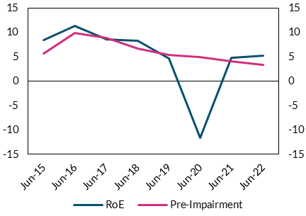
 |  | RoE | Pre-Impairment | per cent | per cent
 | Jun-15 | 8.44 | 5.64
 | Jun-16 | 11.43 | 9.9
 | Jun-17 | 8.54 | 8.9
 | Jun-18 | 8.33 | 6.67
 | Jun-19 | 4.68 | 5.46
 | Jun-20 | -11.54 | 5.03
 | Jun-21 | 4.83 | 4.16
 | Jun-22 | 5.32 | 3.34

Chart 77
At current levels of profitability, a modest increase in provisioning coverage would result in negative returns

Chart title: Return on equity and provisioning coverage
Source: Central Bank of Ireland.
Notes: The charts shows different combinations of provisioning coverage on all loans and advances (PCR) and the implied return on equity (RoE). The vertical dashed line reflects the provisioning coverage ratio at the height of the COVID-19 pandemic (Dec-20) as a reference point. All items contributing to RoE other than provisions, for example interest margins, are held constant in this calculation.

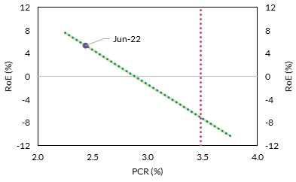
 |  |  | per cent | per cent
 | PCR | RoE
 | 2.25 | 7.52
 | 2.44 | 5.32
 | 2.5 | 4.55
 | 2.75 | 1.59
 | 3 | -1.38
 | 3.25 | -4.35
 | 3.5 | -7.31
 | 3.75 | -10.28

Chart 78
Rising rates should raise net interest margins

Chart title: Net interest margins under different policy rate scenarios
Source: Central Bank of Ireland.
Notes: The chart shows the impact on the weighted average net interest margin under different interest rate projections. The “June MPR” projection assumes that policy rates change by the same magnitude as forecasted for the 3M Euribor as forecasted in the ECB’s June macroeconomic projections. The “Sept’ MPR” projection assumes that policy rates change by the same magnitude as forecasted for the 3M Euribor as forecasted in the ECB’s September macroeconomic projections. Under both projections, a static balance sheet is assumed.

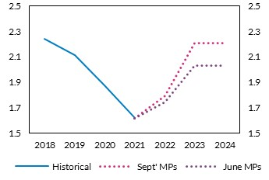
 |  |  |  | per cent | per cent
 |  | Sept' MPs | June MPs
 | 2018 | 2.24 | 2.24
 | 2019 | 2.11 | 2.11
 | 2020 | 1.87 | 1.87
 | 2021 | 1.62 | 1.62
 | 2022 | 1.79 | 1.74
 | 2023 | 2.21 | 2.03
 | 2024 | 2.21 | 2.03

Chart 79
For a given macro shock, a higher interest rate environment will help banks to absorb losses

Chart title: Level of unemployment below which CET1 would remain unchanged; illustrative Central Bank calculation
Source: Central Bank of Ireland.
Notes: The chart shows the impact on the weighted average net interest margin under different interest rate projections. The “June MPR” projection assumes that policy rates change by the same magnitude as forecasted for the 3M Euribor in the ECB’s June macroeconomic projections. The “Sept’ MPR” projection assumes that policy rates change by the same magnitude as forecasted for the 3M Euribor in the ECB’s September macroeconomic projections. Under both projections, a static balance sheet is assumed.

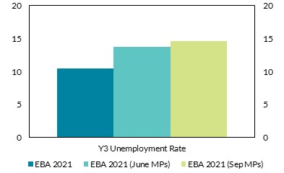
 |  |  | per cent | per cent
 |  | Y3 Unemployment Rate
 | EBA 2021 | 10.5
 | EBA 2021 (June MPs) | 13.72
 | EBA 2021 (Sep MPs) | 14.68

Chart 80
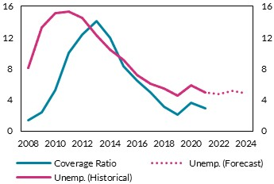
Historically, provisioning coverage has tracked the unemployment rate very tightly

Chart title: Unemployment and the provisioning coverage ratio
Source: Central Bank of Ireland, BankFocus and CSO.
Notes: The forecast for unemployment (dashed line) is obtained from the Bank’s Q4 Quarterly Bulletin.

Data cannot be provided as the Central Bank of Ireland does not have permission to share this information.

 | per cent | per cent

Chart 81
Financial sector equity returns have tended to perform worse under higher inflation

Chart title: 5-year cumulative changes in financial equities to a 1 percentage point increase in inflation
Source: Central Bank of Ireland.
Notes: Central Bank of Ireland estimates based on the Baron et al. (2020) historical dataset. The data cover 44 countries from 1946 to 2016 at annual frequency. The chart reports the cumulative Impulse Response Functions (IRFs) of real financial equity returns, over a 5-year period, to a 1 percentage point increase in the inflation rate at different points in the inflation distribution. Quartiles of inflation are calculated over all countries by decade. A categorical inflation variable is defined based on these quartiles and interacted with the (continuous) inflation variable. Q1, Q2, Q3 and Q4 denote the cumulative IRFs in the first, second, third and fourth inflation quartiles, respectively. The IRFs are estimated via Local Projections (Jorda, 2005) with four lags each of a country’s inflation and real GDP growth rate. The x-axis denotes years while the y-axis shows the cumulative response of real equity returns (percentage points).

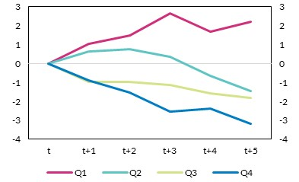
 |  |  |  |  |  | per cent | per cent
 |  | Q1 | Q2 | Q3 | Q4
 | t | 0 | 0 | 0 | 0
 | t+1 | 1.04 | 0.63 | -0.95 | -0.9
 | t+2 | 1.48 | 0.77 | -0.98 | -1.55
 | t+3 | 2.66 | 0.38 | -1.14 | -2.53
 | t+4 | 1.68 | -0.66 | -1.58 | -2.38
 | t+5 | 2.19 | -1.45 | -1.83 | -3.18

Chart 85
Marginal borrowing costs are rising but so far remain below the rate on maturing debt

Chart title: Irish 10 year bond yield
Source: Refinitiv and NTMA.
Note: Dotted line based on simple weighted average of maturing bonds as of 1 November 2022.

 | Yield | Maturing bonds 2022 - 2025
2022-11-02 | 2.66 | 4.40
2022-11-01 | 2.639 | 4.40
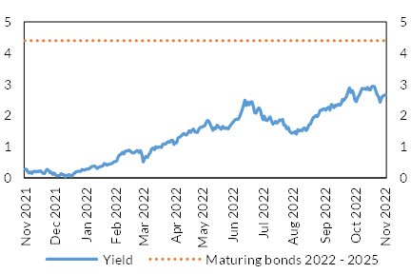
2022-10-31 | 2.621 | 4.40 | per cent | per cent
2022-10-28 | 2.554 | 4.40
2022-10-27 | 2.422 | 4.40
2022-10-26 | 2.599 | 4.40
2022-10-25 | 2.657 | 4.40
2022-10-24 | 2.788 | 4.40
2022-10-21 | 2.927 | 4.40
2022-10-20 | 2.928 | 4.40
2022-10-19 | 2.93 | 4.40
2022-10-18 | 2.816 | 4.40
2022-10-17 | 2.826 | 4.40
2022-10-14 | 2.901 | 4.40
2022-10-13 | 2.833 | 4.40
2022-10-12 | 2.87 | 4.40
2022-10-11 | 2.843 | 4.40
2022-10-10 | 2.869 | 4.40
2022-10-07 | 2.755 | 4.40
2022-10-06 | 2.646 | 4.40
2022-10-05 | 2.574 | 4.40
2022-10-04 | 2.437 | 4.40
2022-10-03 | 2.488 | 4.40
2022-09-30 | 2.706 | 4.40
2022-09-29 | 2.803 | 4.40
2022-09-28 | 2.735 | 4.40
2022-09-27 | 2.884 | 4.40
2022-09-26 | 2.761 | 4.40
2022-09-23 | 2.607 | 4.40
2022-09-22 | 2.545 | 4.40
2022-09-21 | 2.474 | 4.40
2022-09-20 | 2.515 | 4.40
2022-09-19 | 2.371 | 4.40
2022-09-16 | 2.326 | 4.40
2022-09-15 | 2.362 | 4.40
2022-09-14 | 2.309 | 4.40
2022-09-13 | 2.334 | 4.40
2022-09-12 | 2.251 | 4.40
2022-09-09 | 2.312 | 4.40
2022-09-08 | 2.354 | 4.40
2022-09-07 | 2.172 | 4.40
2022-09-06 | 2.266 | 4.40
2022-09-05 | 2.229 | 4.40
2022-09-02 | 2.162 | 4.40
2022-09-01 | 2.218 | 4.40
2022-08-31 | 2.199 | 4.40
2022-08-30 | 2.168 | 4.40
2022-08-29 | 2.168 | 4.40
2022-08-26 | 2.045 | 4.40
2022-08-25 | 1.962 | 4.40
2022-08-24 | 1.999 | 4.40
2022-08-23 | 1.942 | 4.40
2022-08-22 | 1.934 | 4.40
2022-08-19 | 1.84 | 4.40
2022-08-18 | 1.719 | 4.40
2022-08-17 | 1.704 | 4.40
2022-08-16 | 1.582 | 4.40
2022-08-15 | 1.517 | 4.40
2022-08-12 | 1.598 | 4.40
2022-08-11 | 1.587 | 4.40
2022-08-10 | 1.508 | 4.40
2022-08-09 | 1.53 | 4.40
2022-08-08 | 1.497 | 4.40
2022-08-05 | 1.547 | 4.40
2022-08-04 | 1.401 | 4.40
2022-08-03 | 1.484 | 4.40
2022-08-02 | 1.442 | 4.40
2022-08-01 | 1.428 | 4.40
2022-07-29 | 1.449 | 4.40
2022-07-28 | 1.498 | 4.40
2022-07-27 | 1.62 | 4.40
2022-07-26 | 1.564 | 4.40
2022-07-25 | 1.685 | 4.40
2022-07-22 | 1.686 | 4.40
2022-07-21 | 1.866 | 4.40
2022-07-20 | 1.835 | 4.40
2022-07-19 | 1.862 | 4.40
2022-07-18 | 1.804 | 4.40
2022-07-15 | 1.745 | 4.40
2022-07-14 | 1.811 | 4.40
2022-07-13 | 1.754 | 4.40
2022-07-12 | 1.718 | 4.40
2022-07-11 | 1.821 | 4.40
2022-07-08 | 1.955 | 4.40
2022-07-07 | 1.896 | 4.40
2022-07-06 | 1.829 | 4.40
2022-07-05 | 1.843 | 4.40
2022-07-04 | 1.974 | 4.40
2022-07-01 | 1.861 | 4.40
2022-06-30 | 1.99 | 4.40
2022-06-29 | 2.17 | 4.40
2022-06-28 | 2.249 | 4.40
2022-06-27 | 2.176 | 4.40
2022-06-24 | 2.071 | 4.40
2022-06-23 | 2.089 | 4.40
2022-06-22 | 2.284 | 4.40
2022-06-21 | 2.44 | 4.40
2022-06-20 | 2.432 | 4.40
2022-06-17 | 2.336 | 4.40
2022-06-16 | 2.432 | 4.40
2022-06-15 | 2.315 | 4.40
2022-06-14 | 2.493 | 4.40
2022-06-13 | 2.339 | 4.40
2022-06-10 | 2.187 | 4.40
2022-06-09 | 2.061 | 4.40
2022-06-08 | 1.938 | 4.40
2022-06-07 | 1.868 | 4.40
2022-06-06 | 1.877 | 4.40
2022-06-03 | 1.863 | 4.40
2022-06-02 | 1.814 | 4.40
2022-06-01 | 1.763 | 4.40
2022-05-31 | 1.701 | 4.40
2022-05-30 | 1.643 | 4.40
2022-05-27 | 1.566 | 4.40
2022-05-26 | 1.608 | 4.40
2022-05-25 | 1.577 | 4.40
2022-05-24 | 1.602 | 4.40
2022-05-23 | 1.649 | 4.40
2022-05-20 | 1.555 | 4.40
2022-05-19 | 1.595 | 4.40
2022-05-18 | 1.64 | 4.40
2022-05-17 | 1.684 | 4.40
2022-05-16 | 1.566 | 4.40
2022-05-13 | 1.604 | 4.40
2022-05-12 | 1.523 | 4.40
2022-05-11 | 1.622 | 4.40
2022-05-10 | 1.718 | 4.40
2022-05-09 | 1.826 | 4.40
2022-05-06 | 1.834 | 4.40
2022-05-05 | 1.745 | 4.40
2022-05-04 | 1.667 | 4.40
2022-05-03 | 1.649 | 4.40
2022-05-02 | 1.621 | 4.40
2022-04-29 | 1.617 | 4.40
2022-04-28 | 1.565 | 4.40
2022-04-27 | 1.455 | 4.40
2022-04-26 | 1.464 | 4.40
2022-04-25 | 1.466 | 4.40
2022-04-22 | 1.57 | 4.40
2022-04-21 | 1.53 | 4.40
2022-04-20 | 1.455 | 4.40
2022-04-19 | 1.513 | 4.40
2022-04-14 | 1.434 | 4.40
2022-04-13 | 1.37 | 4.40
2022-04-12 | 1.391 | 4.40
2022-04-11 | 1.426 | 4.40
2022-04-08 | 1.377 | 4.40
2022-04-07 | 1.334 | 4.40
2022-04-06 | 1.304 | 4.40
2022-04-05 | 1.281 | 4.40
2022-04-04 | 1.124 | 4.40
2022-04-01 | 1.139 | 4.40
2022-03-31 | 1.064 | 4.40
2022-03-30 | 1.201 | 4.40
2022-03-29 | 1.203 | 4.40
2022-03-28 | 1.139 | 4.40
2022-03-25 | 1.157 | 4.40
2022-03-24 | 1.125 | 4.40
2022-03-23 | 1.072 | 4.40
2022-03-22 | 1.083 | 4.40
2022-03-21 | 1.085 | 4.40
2022-03-18 | 0.967 | 4.40
2022-03-17 | 0.985 | 4.40
2022-03-16 | 0.983 | 4.40
2022-03-15 | 0.964 | 4.40
2022-03-14 | 1.002 | 4.40
2022-03-11 | 0.904 | 4.40
2022-03-10 | 0.951 | 4.40
2022-03-09 | 0.923 | 4.40
2022-03-08 | 0.807 | 4.40
2022-03-07 | 0.739 | 4.40
2022-03-04 | 0.649 | 4.40
2022-03-03 | 0.691 | 4.40
2022-03-02 | 0.633 | 4.40
2022-03-01 | 0.504 | 4.40
2022-02-28 | 0.744 | 4.40
2022-02-25 | 0.867 | 4.40
2022-02-24 | 0.811 | 4.40
2022-02-23 | 0.869 | 4.40
2022-02-22 | 0.857 | 4.40
2022-02-21 | 0.829 | 4.40
2022-02-18 | 0.797 | 4.40
2022-02-17 | 0.801 | 4.40
2022-02-16 | 0.842 | 4.40
2022-02-15 | 0.885 | 4.40
2022-02-14 | 0.863 | 4.40
2022-02-11 | 0.855 | 4.40
2022-02-10 | 0.854 | 4.40
2022-02-09 | 0.761 | 4.40
2022-02-08 | 0.82 | 4.40
2022-02-07 | 0.757 | 4.40
2022-02-04 | 0.736 | 4.40
2022-02-03 | 0.665 | 4.40
2022-02-02 | 0.534 | 4.40
2022-02-01 | 0.521 | 4.40
2022-01-31 | 0.518 | 4.40
2022-01-28 | 0.481 | 4.40
2022-01-27 | 0.449 | 4.40
2022-01-26 | 0.44 | 4.40
2022-01-25 | 0.43 | 4.40
2022-01-24 | 0.399 | 4.40
2022-01-21 | 0.435 | 4.40
2022-01-20 | 0.465 | 4.40
2022-01-19 | 0.387 | 4.40
2022-01-18 | 0.361 | 4.40
2022-01-17 | 0.354 | 4.40
2022-01-14 | 0.331 | 4.40
2022-01-13 | 0.296 | 4.40
2022-01-12 | 0.339 | 4.40
2022-01-11 | 0.376 | 4.40
2022-01-10 | 0.366 | 4.40
2022-01-07 | 0.366 | 4.40
2022-01-06 | 0.324 | 4.40
2022-01-05 | 0.284 | 4.40
2022-01-04 | 0.29 | 4.40
2022-01-03 | 0.271 | 4.40
2021-12-31 | 0.249 | 4.40
2021-12-30 | 0.248 | 4.40
2021-12-29 | 0.267 | 4.40
2021-12-28 | 0.205 | 4.40
2021-12-27 | 0.208 | 4.40
2021-12-24 | 0.207 | 4.40
2021-12-23 | 0.2 | 4.40
2021-12-22 | 0.159 | 4.40
2021-12-21 | 0.14 | 4.40
2021-12-20 | 0.069 | 4.40
2021-12-17 | 0.051 | 4.40
2021-12-16 | 0.1 | 4.40
2021-12-15 | 0.084 | 4.40
2021-12-14 | 0.086 | 4.40
2021-12-13 | 0.029 | 4.40
2021-12-10 | 0.098 | 4.40
2021-12-09 | 0.096 | 4.40
2021-12-08 | 0.139 | 4.40
2021-12-07 | 0.077 | 4.40
2021-12-06 | 0.072 | 4.40
2021-12-03 | 0.071 | 4.40
2021-12-02 | 0.094 | 4.40
2021-12-01 | 0.15 | 4.40
2021-11-30 | 0.11 | 4.40
2021-11-29 | 0.181 | 4.40
2021-11-26 | 0.166 | 4.40
2021-11-25 | 0.242 | 4.40
2021-11-24 | 0.271 | 4.40
2021-11-23 | 0.218 | 4.40
2021-11-22 | 0.136 | 4.40
2021-11-19 | 0.145 | 4.40
2021-11-18 | 0.188 | 4.40
2021-11-17 | 0.231 | 4.40
2021-11-16 | 0.198 | 4.40
2021-11-15 | 0.203 | 4.40
2021-11-12 | 0.187 | 4.40
2021-11-11 | 0.213 | 4.40
2021-11-10 | 0.199 | 4.40
2021-11-09 | 0.135 | 4.40
2021-11-08 | 0.186 | 4.40
2021-11-05 | 0.149 | 4.40
2021-11-04 | 0.198 | 4.40
2021-11-03 | 0.271 | 4.40
2021-11-02 | 0.276 | 4.40
2021-11-01 | 0.352 | 4.40

Chart 92
Non-bank credit declined significantly in the first half of 2022, particularly among real estate SMEs

Chart title: Quarterly new lending by non-banks.
Source: Central Credit Register, CRO, Register of Affiliates and Assets Database and Central Bank of Ireland calculations.
Notes: The vertical axis describes the share of new lending from non-bank lenders relative to the sum of NBL and bank new lending. The vertical axis also include the share of new lending to real estate SMEs from non-bank lenders relative to the sum of NBL and bank new lending to real estate SMEs. The Real estate-SMEs include SMEs in Real Estate Activities and Construction.

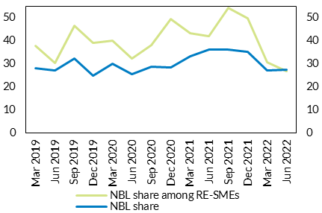
 | NBL share among RE-SMEs | NBL share | per cent | per cent
Mar-19 | 37.89 | 28.2
Jun-19 | 30.35 | 27.23
Sep-19 | 46.51 | 32.45
Dec-19 | 39.1 | 25
Mar-20 | 40.09 | 30.1
Jun-20 | 32.23 | 25.55
Sep-20 | 38.07 | 28.58
Dec-20 | 49.33 | 28.53
Mar-21 | 43.4 | 33.15
Jun-21 | 41.98 | 36.27
Sep-21 | 54.23 | 36.28
Dec-21 | 49.72 | 35.08
Mar-22 | 30.75 | 27.12
Jun-22 | 26.95 | 27.55

Chart 93
Non-bank new lending to SMEs is concentrated in the real estate sector

Chart title: Non-bank new lending from by borrower sector.
Source: Central Credit Register, CRO, RIAD and Central Bank of Ireland calculations.
Notes: NBFI lending based on NACE sectoral classification of SMEs is depicted in millions of euro as columns against the left axis. Timeframe: 2021Q3-2022Q2.

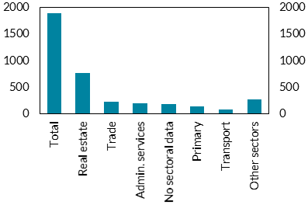
Sector | Amount | € million | € million
Total | 1888
Real estate | 769
Trade | 226
Admin. services | 198
No sectoral data | 194
Primary | 143
Transport | 86
Other sectors | 273

Chart 94
Non-bank lending to real estate SMEs exhibits large fluctuations over time

Chart title: Size and time-variation of NBL sectors
Source: IMF, Central Credit Register, CRO, RIAD and Central Bank of Ireland calculations.
Notes: The horizontal axis describes the average growth rates of new lending during unfavourable financial conditions. The vertical axis describes the average growth rates of new lending during favourable financial conditions. Financial conditions are defined as unfavourable when the IMF indicator of financial conditions is worse than its own average. Such conditions are present in four quarters: 2020Q1, 2020Q2, 2021Q4 and 2022Q1. SMEs in real estate, administrative services, trade, primary and transport sectors are included. Timeframe: 2019Q1-2022Q2.

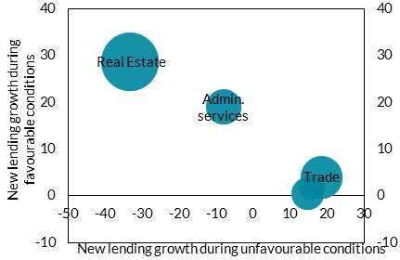
Sector Description | Growth-Unfavourable Conditions | Growth-FavourableCondition | Total New Lending | per cent | per cent
CONSTRUCTION | -33.1543 | 28.6158 | 248.0715
WHOLESALE AND RETAIL TRADE / REPAIRS | 18.50143 | 3.955052 | 134.474
ADMINISTRATIVE AND SUPPORT SERVICE ACTIVITIES | -7.95202 | 18.93901 | 93.10535
PRIMARY INDUSTRIES | 14.64117 | 0.395264 | 78.33733
TRANSPORTATION AND STORAGE | 15.88901 | 1.945593 | 51.26018

Chart 95
Insurers’ investments are predominantly sovereign and corporate bonds with limited exposure to riskier asset types

Chart Title: Insurers' non-linked investment allocation
Source: Central Bank of Ireland.
Notes: Last observation 2022Q2. Non-linked investments which exclude those which life insurers hold to back their unit-linked policies.
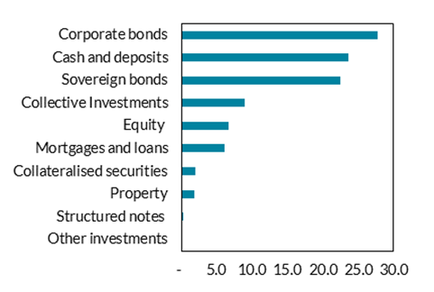
Name | Euro Value | % of Total
Other investments | 120,295,308 | 0.1
Structured notes | 407,079,713 | 0.33
Property | 2,305,412,084 | 1.87
Collateralised securities | 2,481,137,004 | 2.02
Mortgages and loans | 7,519,001,092 | 6.11
Equity | 8,219,991,457 | 6.68
Collective Investments | 10,979,463,850 | 8.92
Sovereign bonds | 27,738,732,244 | 22.54
Cash and deposits | 29,077,928,309 | 23.63
Corporate bonds | 34,231,911,542 | 27.81

Chart 96
The credit rating of insurers’ corporate and sovereign bond holdings improved slightly in 2022H1

Chart title: The credit rating of insurers’ corporate and sovereign bond holdings
Source: Central Bank of Ireland calculation.
Notes: The credit quality scale (rhs) shows the average credit quality using the credit quality steps specified in Solvency II reporting, which map the ratings for each rating agency to a scale from 0 (AAA) to 6 (CCC and below). A higher score means a lower credit quality.

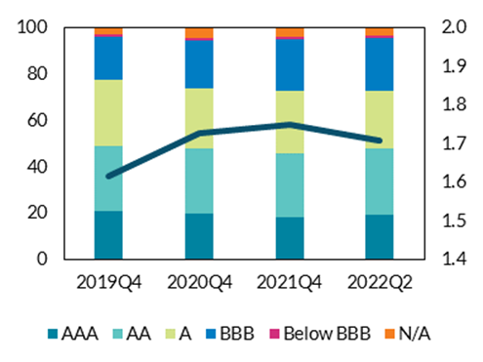
 |  |  |  |  |  |  |  | per cent | credit quality step
 | AAA | AA | A | BBB | Below BBB | N/A | Weighted Average CQS
2019Q4 | 20.92% | 28.33% | 28.21% | 18.69% | 1.15% | 2.69% | 1.617035284
2020Q4 | 19.86% | 28.13% | 25.95% | 20.87% | 0.64% | 4.54% | 1.72659862
2021Q4 | 18.55% | 27.47% | 26.99% | 22.35% | 0.75% | 3.90% | 1.751480112
2022Q1 | 19.19% | 28.41% | 24.15% | 23.96% | 0.78% | 3.51% | 1.730641113
2022Q2 | 19.56% | 28.30% | 24.91% | 23.08% | 0.71% | 3.43% | 1.710326235

Chart 97
Solvency coverage movements over 2022H1 were widely dispersed

Chart title: Plot of solvency coverage of insurers and reinsurers 2021YE and 2022Q2
Source: Central Bank of Ireland.
Notes: The scatter chart shows the solvency coverage of individual firms at 2021YE (x-axis) versus their coverage at 2022Q2 (y-axis). A position below the diagonal line means a fall in coverage over the period. Only firms with PRISM impact rating of Medium Low and above are shown. Firms with solvency coverage of greater than 300 per cent are not shown.

Data cannot be provided as the Central Bank of Ireland does not have permission to share this information.

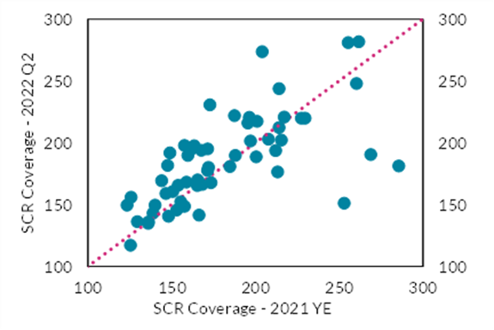
 | per cent | per cent

Chart 98
Domestic insurers’ solvency positions remain robust and are above regulatory requirements

Chart title: Solvency coverage of domestic life and non-life insurers
Source: Central Bank of Ireland.
Notes: The box at each point shows the maximum and minimum range. Sample is time varying comprising the largest domestic life and non-life insurance firms. Last observation 2022H1.

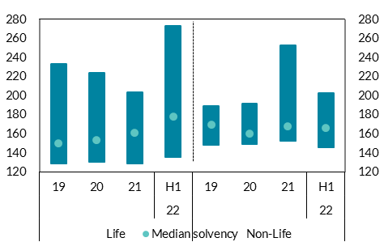
 | Life |  |  |  | Non-Life |  |  |  | per cent | per cent
 |  |  |  | 22 |  |  |  | 22
 | 19 | 20 | 21 | H1 | 19 | 20 | 21 | H1
Min | 129 | 131 | 129 | 136 | 149 | 150 | 153 | 146
Max | 233 | 224 | 204 | 274 | 189 | 192 | 253 | 203
Median solvency | 150 | 154 | 161 | 178 | 170 | 160 | 168 | 166

