Chart 91
New lending to NFCs and consumers shows signs of a recovery but remains subdued while lending for house purchases has been more robust

Chart Title: New lending volumes 12 month rolling sums by segment
Source: Central Bank of Ireland.
Notes: House purchases exclude renegotiations. Last observation August 2021.

Date | Total HP ex. Renog | Total for consumer and other purposes | Total NFC
2015-01-31 |  | 1771 | 13875
2015-02-28 |  | 1819 | 14529 | € billion | € billion
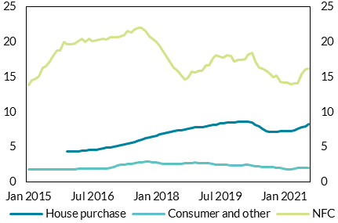
2015-03-31 |  | 1829 | 14702
2015-04-30 |  | 1827 | 15124
2015-05-31 |  | 1832 | 16358
2015-06-30 |  | 1799 | 16542
2015-07-31 |  | 1820 | 17246
2015-08-31 |  | 1825 | 18044
2015-09-30 |  | 1772 | 18822
2015-10-31 |  | 1760 | 18789
2015-11-30 |  | 1778 | 19963
2015-12-31 | 4380 | 1796 | 19710
2016-01-31 | 4372 | 1795 | 19684
2016-02-29 | 4382 | 1846 | 19736
2016-03-31 | 4393 | 1885 | 20132
2016-04-30 | 4429 | 1926 | 20427
2016-05-31 | 4484 | 1933 | 19975
2016-06-30 | 4541 | 1945 | 20494
2016-07-31 | 4546 | 1886 | 20065
2016-08-31 | 4633 | 1896 | 20225
2016-09-30 | 4691 | 1900 | 20300
2016-10-31 | 4760 | 1920 | 20482
2016-11-30 | 4917 | 1951 | 20374
2016-12-31 | 4950 | 2043 | 20725
2017-01-31 | 5087 | 2157 | 20678
2017-02-28 | 5145 | 2316 | 20719
2017-03-31 | 5232 | 2421 | 20818
2017-04-30 | 5320 | 2466 | 21027
2017-05-31 | 5427 | 2544 | 21540
2017-06-30 | 5573 | 2596 | 21287
2017-07-31 | 5755 | 2741 | 21749
2017-08-31 | 5912 | 2824 | 21961
2017-09-30 | 6080 | 2846 | 21960
2017-10-31 | 6214 | 2881 | 21621
2017-11-30 | 6369 | 2912 | 20734
2017-12-31 | 6515 | 2836 | 20493
2018-01-31 | 6637 | 2820 | 20002
2018-02-28 | 6807 | 2653 | 19445
2018-03-31 | 6920 | 2560 | 18600
2018-04-30 | 7013 | 2586 | 17877
2018-05-31 | 7156 | 2596 | 17034
2018-06-30 | 7235 | 2625 | 16347
2018-07-31 | 7338 | 2616 | 15902
2018-08-31 | 7431 | 2610 | 15353
2018-09-30 | 7489 | 2641 | 14662
2018-10-31 | 7632 | 2701 | 14903
2018-11-30 | 7743 | 2733 | 15707
2018-12-31 | 7809 | 2754 | 15623
2019-01-31 | 7854 | 2744 | 15859
2019-02-28 | 7865 | 2724 | 15839
2019-03-31 | 7951 | 2699 | 16623
2019-04-30 | 8035 | 2635 | 16643
2019-05-31 | 8145 | 2574 | 17672
2019-06-30 | 8218 | 2488 | 18099
2019-07-31 | 8335 | 2469 | 17841
2019-08-31 | 8381 | 2439 | 17789
2019-09-30 | 8471 | 2413 | 18082
2019-10-31 | 8513 | 2378 | 18036
2019-11-30 | 8515 | 2359 | 17232
2019-12-31 | 8599 | 2356 | 17426
2020-01-31 | 8578 | 2398 | 17471
2020-02-29 | 8601 | 2429 | 17541
2020-03-31 | 8665 | 2438 | 18193
2020-04-30 | 8474 | 2315 | 18474
2020-05-31 | 8121 | 2210 | 17259
2020-06-30 | 7897 | 2205 | 16302
2020-07-31 | 7602 | 2187 | 16220
2020-08-31 | 7317 | 2163 | 15900
2020-09-30 | 7209 | 2146 | 15557
2020-10-31 | 7147 | 2099 | 15001
2020-11-30 | 7153 | 2033 | 15159
2020-12-31 | 7278 | 1994 | 14350
2021-01-31 | 7242 | 1918 | 14175
2021-02-28 | 7284 | 1840 | 14223
2021-03-31 | 7289 | 1819 | 13959
2021-04-30 | 7435 | 1919 | 14089
2021-05-31 | 7631 | 2004 | 14082
2021-06-30 | 7828 | 2017 | 15403
2021-07-31 | 7990 | 1994 | 16058
2021-08-31 | 8226 | 1989 | 16214

Chart 92
New lending to SMEs has picked up, but increases are largely driven by manufacturing and property-related sectors

Chart Title: Gross new lending to SMEs by selected sectors, year-on-year change
Source: Central Bank of Ireland SME and Large Enterprise Credit and Deposits statistics and Central Bank of Ireland calculations.
Notes: FI = financial intermediation. Retails/Hotels also includes Wholesale.
 |  |  |  |  |  |  |  | per cent | per cent
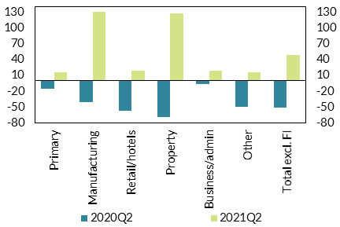
Date | Primary | Manufacturing | Retail/hotels | Property | Business/admin | Other | Total excl. FI
2020Q2 | -15.90 | -41.56 | -56.77 | -69.22 | -6.98 | -50.59 | -50.87
2021Q2 | 15.24 | 131.11 | 18.32 | 127.95 | 18.75 | 16.00 | 49.43

